Throughput by Time
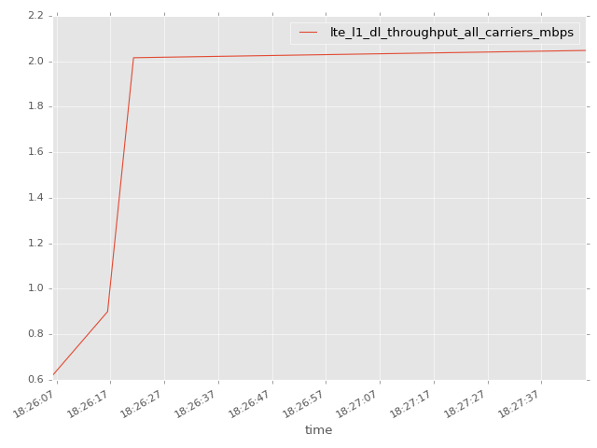
App Throughput by Time Graph | LTE Throughput by Time Graph

lte_l1_dl_throughput_all_carri
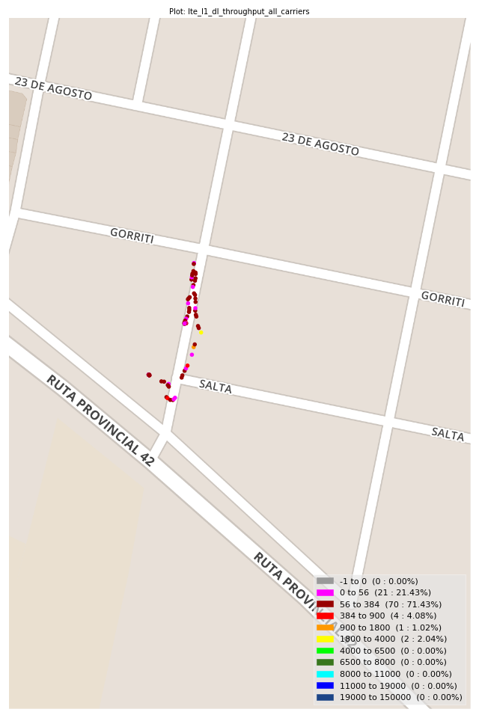
lte_l1_dl_throughput_all_carriers Report

Sampling Distribution Histogram
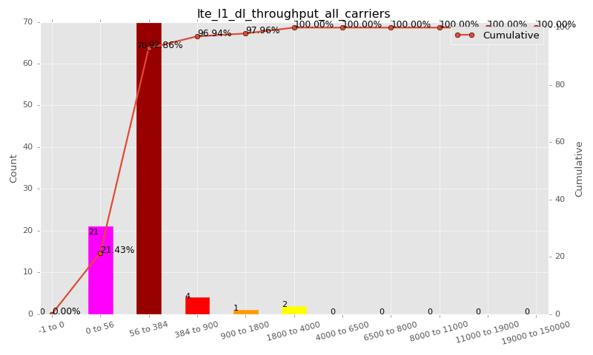

Sampling Distribution Table (first 10 ranges)
ColorXml | Lower | Upper | N Samples | Range | % | Cumulative %
 | -1 | 0 | 0 | -1 to 0 | 0.00 | 0.00
 | 0 | 56 | 21 | 0 to 56 | 21.43 | 21.43
 | 56 | 384 | 70 | 56 to 384 | 71.43 | 92.86
 | 384 | 900 | 4 | 384 to 900 | 4.08 | 96.94
 | 900 | 1800 | 1 | 900 to 1800 | 1.02 | 97.96
 | 1800 | 4000 | 2 | 1800 to 4000 | 2.04 | 100.00
 | 4000 | 6500 | 0 | 4000 to 6500 | 0.00 | 100.00
 | 6500 | 8000 | 0 | 6500 to 8000 | 0.00 | 100.00
 | 8000 | 11000 | 0 | 8000 to 11000 | 0.00 | 100.00
 | 11000 | 19000 | 0 | 11000 to 19000 | 0.00 | 100.00

Basic statistics
N | 98
Mean | 158.18
SD | 300.37
MAX | 2048.00
Median | 80.00
Min | 14.09

Geographical Plot

lte_inst_rsrp_1
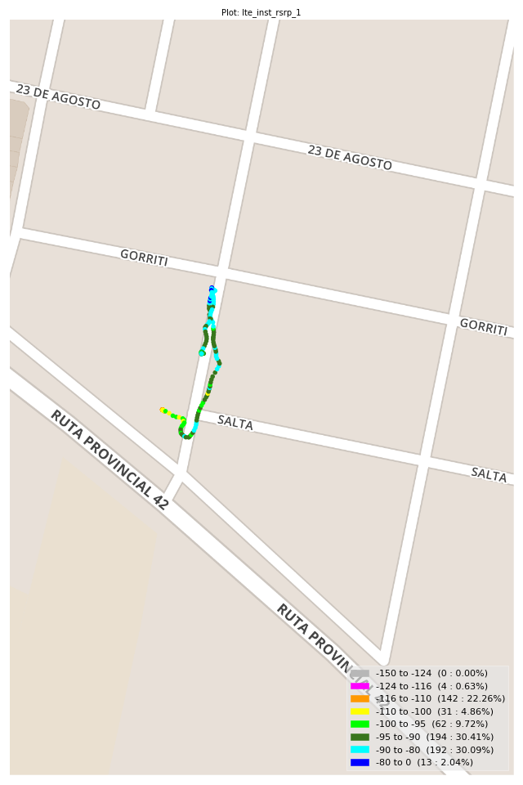
lte_inst_rsrp_1 Report

Sampling Distribution Histogram
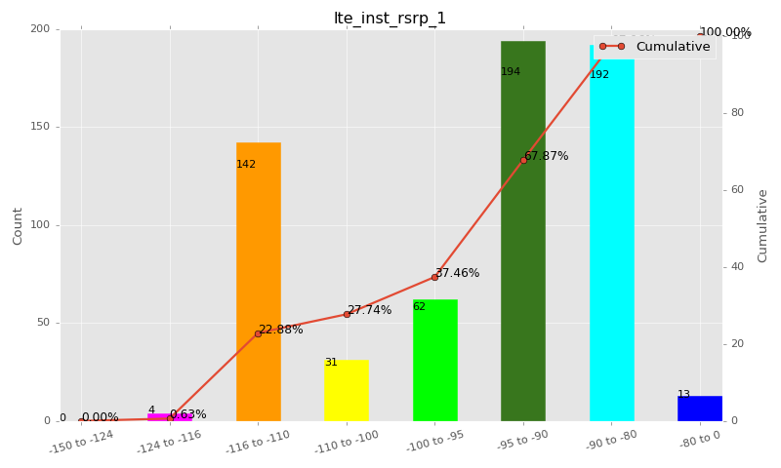

Sampling Distribution Table (first 10 ranges)
ColorXml | Lower | Upper | N Samples | Range | % | Cumulative %
 | -150 | -124 | 0 | -150 to -124 | 0.00 | 0.00
 | -124 | -116 | 4 | -124 to -116 | 0.63 | 0.63
 | -116 | -110 | 142 | -116 to -110 | 22.26 | 22.88
 | -110 | -100 | 31 | -110 to -100 | 4.86 | 27.74
 | -100 | -95 | 62 | -100 to -95 | 9.72 | 37.46
 | -95 | -90 | 194 | -95 to -90 | 30.41 | 67.87
 | -90 | -80 | 192 | -90 to -80 | 30.09 | 97.96
 | -80 | 0 | 13 | -80 to 0 | 2.04 | 100.00

Basic statistics
N | 638
Mean | -96.27
SD | 10.77
MAX | -75.94
Median | -92.44
Min | -118.48

Geographical Plot

lte_inst_rsrq_1
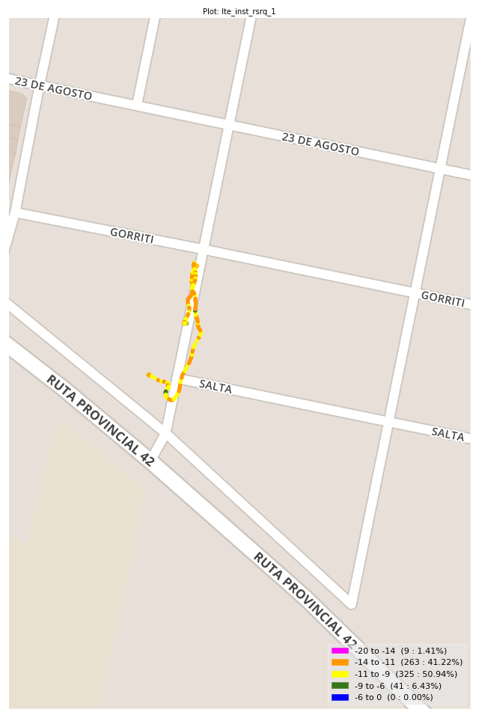
lte_inst_rsrq_1 Report

Sampling Distribution Histogram
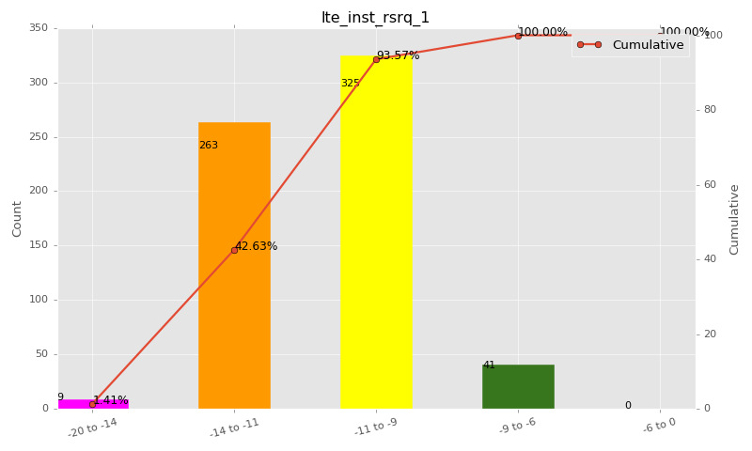

Sampling Distribution Table (first 10 ranges)
ColorXml | Lower | Upper | N Samples | Range | % | Cumulative %
 | -20 | -14 | 9 | -20 to -14 | 1.41 | 1.41
 | -14 | -11 | 263 | -14 to -11 | 41.22 | 42.63
 | -11 | -9 | 325 | -11 to -9 | 50.94 | 93.57
 | -9 | -6 | 41 | -9 to -6 | 6.43 | 100.00
 | -6 | 0 | 0 | -6 to 0 | 0.00 | 100.00

Basic statistics
N | 638
Mean | -10.86
SD | 1.34
MAX | -7.60
Median | -10.80
Min | -15.12

Geographical Plot

lte_inst_rssi_1
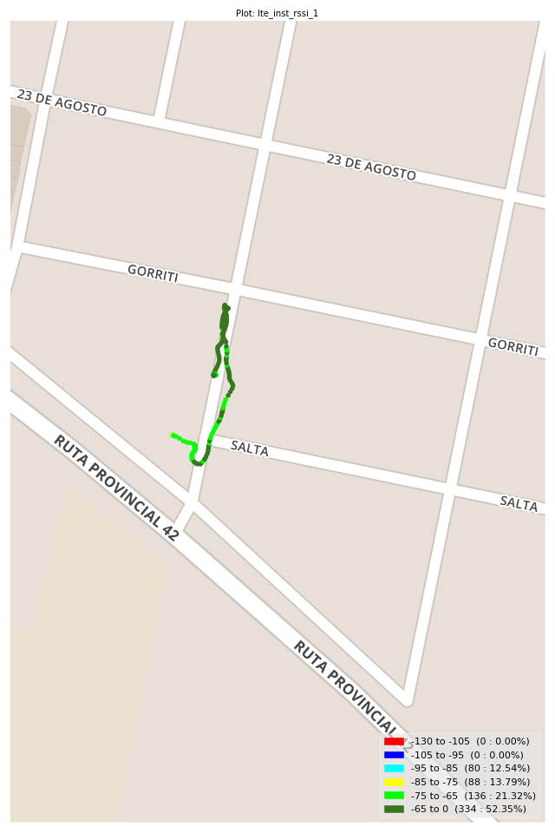
lte_inst_rssi_1 Report

Sampling Distribution Histogram
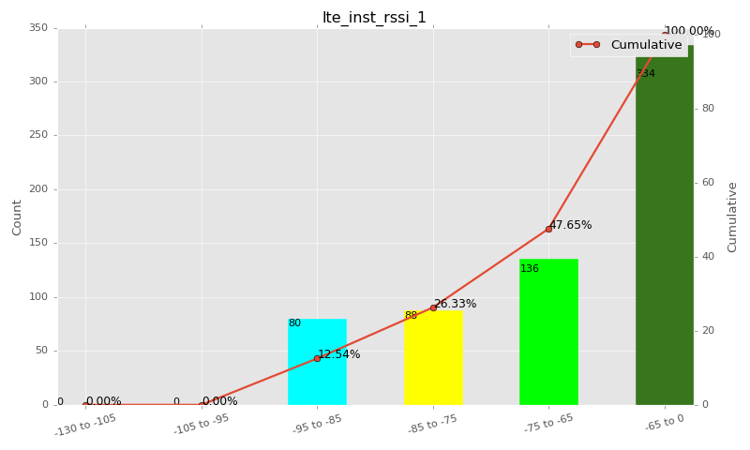

Sampling Distribution Table (first 10 ranges)
ColorXml | Lower | Upper | N Samples | Range | % | Cumulative %
 | -130 | -105 | 0 | -130 to -105 | 0.00 | 0.00
 | -105 | -95 | 0 | -105 to -95 | 0.00 | 0.00
 | -95 | -85 | 80 | -95 to -85 | 12.54 | 12.54
 | -85 | -75 | 88 | -85 to -75 | 13.79 | 26.33
 | -75 | -65 | 136 | -75 to -65 | 21.32 | 47.65
 | -65 | 0 | 334 | -65 to 0 | 52.35 | 100.00

Basic statistics
N | 638
Mean | -68.00
SD | 10.76
MAX | -47.75
Median | -64.50
Min | -89.50

Geographical Plot

lte_sinr_rx0_1
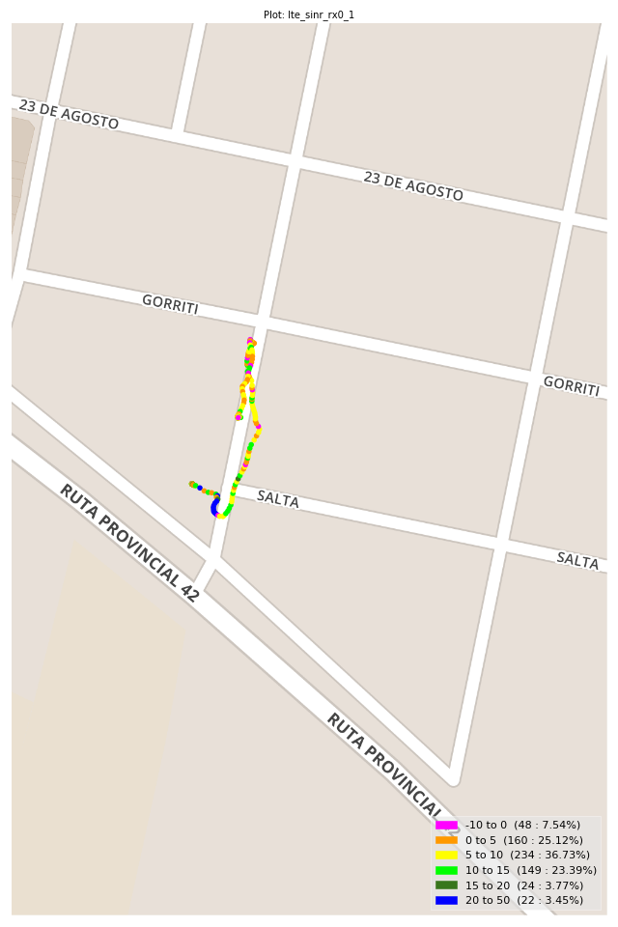
lte_sinr_rx0_1 Report

Sampling Distribution Histogram
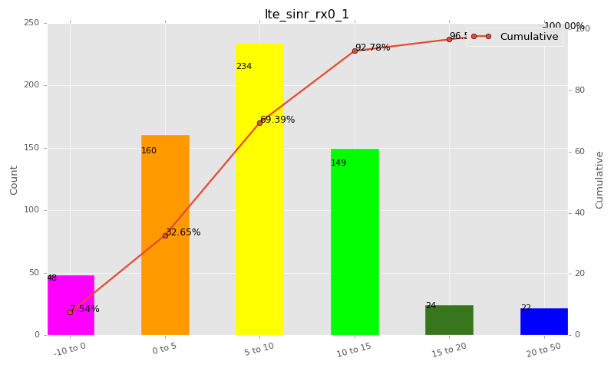

Sampling Distribution Table (first 10 ranges)
ColorXml | Lower | Upper | N Samples | Range | % | Cumulative %
 | -10 | 0 | 48 | -10 to 0 | 7.54 | 7.54
 | 0 | 5 | 160 | 0 to 5 | 25.12 | 32.65
 | 5 | 10 | 234 | 5 to 10 | 36.73 | 69.39
 | 10 | 15 | 149 | 10 to 15 | 23.39 | 92.78
 | 15 | 20 | 24 | 15 to 20 | 3.77 | 96.55
 | 20 | 50 | 22 | 20 to 50 | 3.45 | 100.00

Basic statistics
N | 637
Mean | 7.43
SD | 5.61
MAX | 28.00
Median | 7.00
Min | -9.20

Geographical Plot

lte_sinr_rx1_1

lte_sinr_rx1_1 Report

Sampling Distribution Histogram
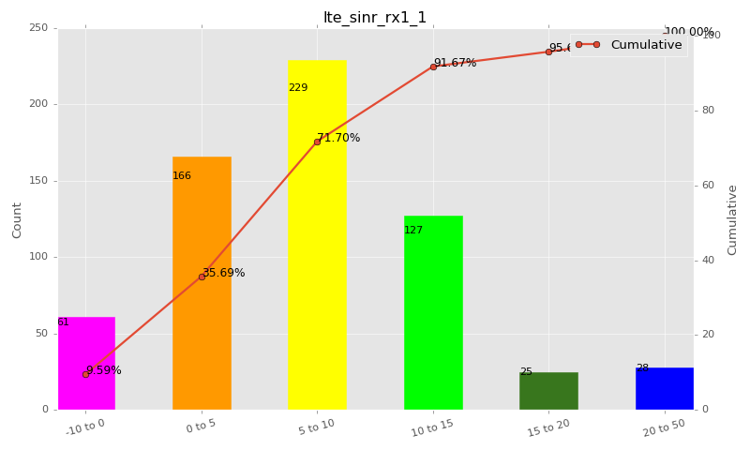

Sampling Distribution Table (first 10 ranges)
ColorXml | Lower | Upper | N Samples | Range | % | Cumulative %
 | -10 | 0 | 61 | -10 to 0 | 9.59 | 9.59
 | 0 | 5 | 166 | 0 to 5 | 26.10 | 35.69
 | 5 | 10 | 229 | 5 to 10 | 36.01 | 71.70
 | 10 | 15 | 127 | 10 to 15 | 19.97 | 91.67
 | 15 | 20 | 25 | 15 to 20 | 3.93 | 95.60
 | 20 | 50 | 28 | 20 to 50 | 4.40 | 100.00

Basic statistics
N | 636
Mean | 7.29
SD | 5.99
MAX | 27.50
Median | 7.05
Min | -6.80

Geographical Plot

lte_physical_cell_id_1
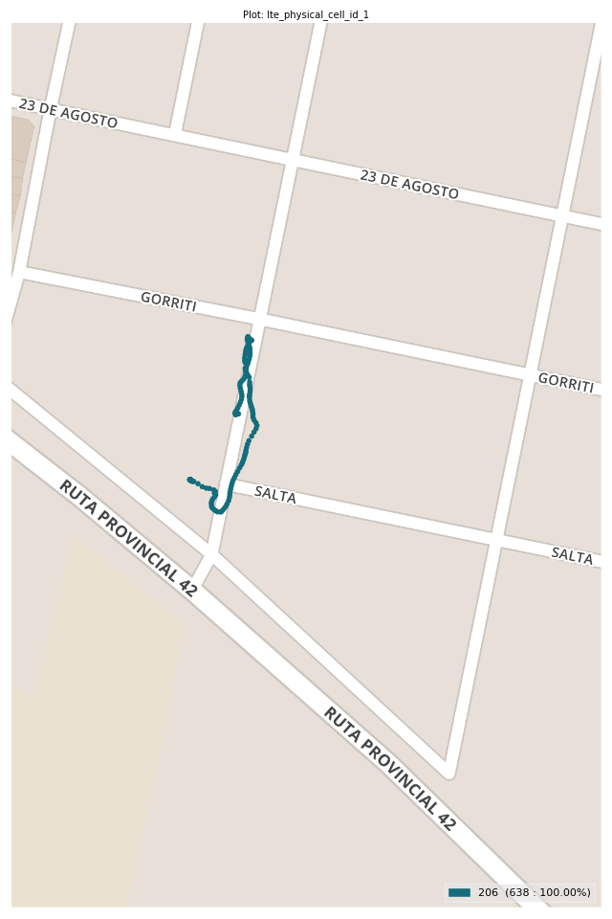
lte_physical_cell_id_1 Report

Sampling Distribution Histogram
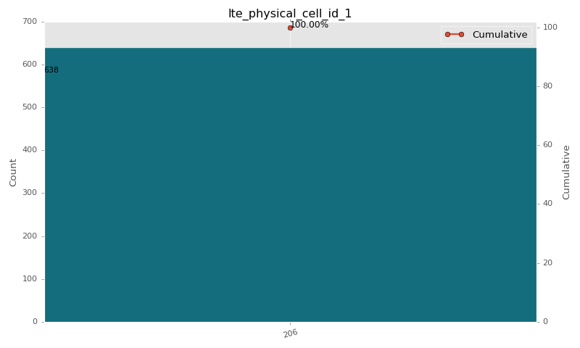

Sampling Distribution Table (first 10 ranges)
ColorXml | Lower | Upper | match_value | N Samples | Range | % | Cumulative %
 |  |  | 206 | 638 |  | 100.00 | 100.00

Basic statistics
N | 638
Mean | N/A (id-type column: lte_physical_cell_id_1)
SD | N/A (id-type column: lte_physical_cell_id_1)
MAX | N/A (id-type column: lte_physical_cell_id_1)
Median | N/A (id-type column: lte_physical_cell_id_1)
Min | N/A (id-type column: lte_physical_cell_id_1)

Geographical Plot

lte_earfcn_1
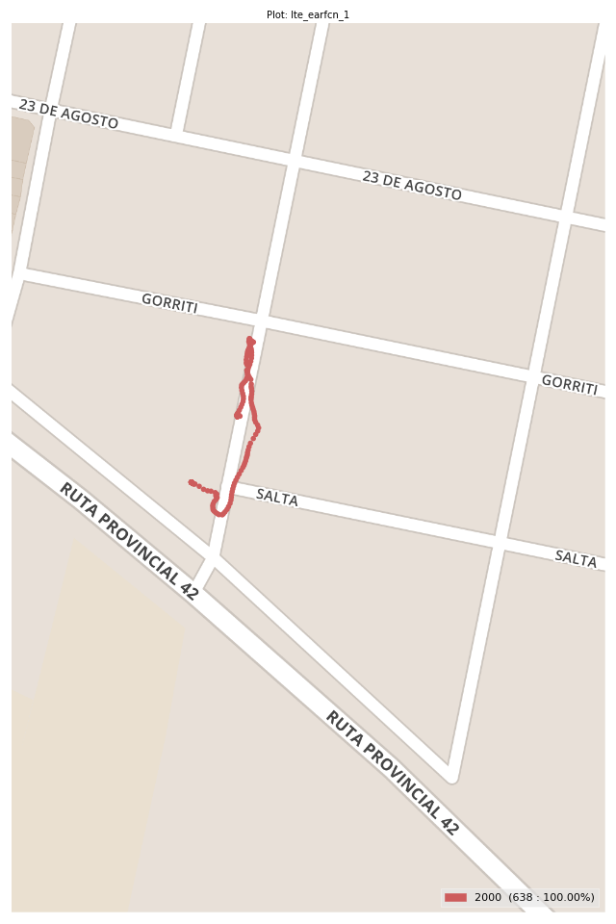
lte_earfcn_1 Report

Sampling Distribution Histogram
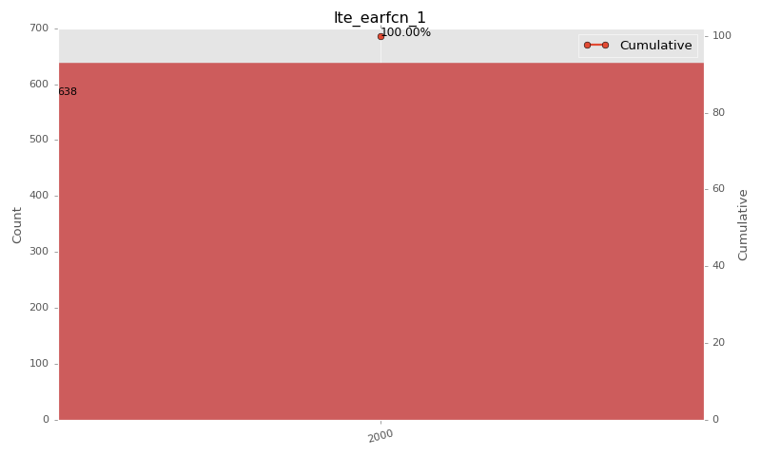

Sampling Distribution Table (first 10 ranges)
ColorXml | Lower | Upper | match_value | N Samples | Range | % | Cumulative %
 |  |  | 2000 | 638 |  | 100.00 | 100.00

Basic statistics
N | 638
Mean | N/A (id-type column: lte_earfcn_1)
SD | N/A (id-type column: lte_earfcn_1)
MAX | N/A (id-type column: lte_earfcn_1)
Median | N/A (id-type column: lte_earfcn_1)
Min | N/A (id-type column: lte_earfcn_1)

Geographical Plot

